Wedding Reception Seating
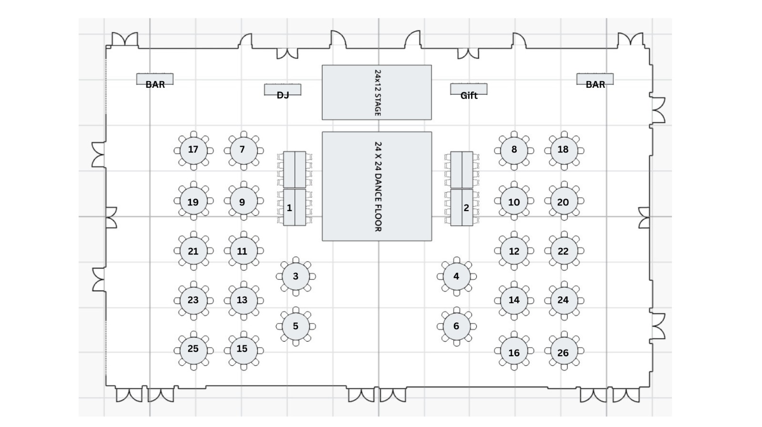
Table | Name
Sweetheart Seating | Neha
 | Brandon
Table 1 | Arti
 | Sunil
 | Tanuj
 | Shivani
 | Wanda
 | Scott
 | Marcus
 | Lynn
 | Jordan
 | Maribeth
 | Jules
 | Blaire
 | DJ

Table 2 | Anil Bhatnagar
 | Usha Bhatnagar
 | Raj Bhatnagar
 | Shobha Asthana
 | Kishore Bhatnagar
 | Deepika Bhatnagar
 | Taj Gour
 | Kiran Gour
 | Vinay Karan Mathur
 | Sapna Mathur

Table 3 | Allison Fine
 | Samantha Fine
 | Aanchal Seth
 | Alecia Beebe
 | Hannah Madigan
 | Dylan Giustra
 | Toria McKenzie
 | Patrick McConnell
 | Hanna Moore
 | Chris Moore
Table 4 | Ashton Johnston
 | Kit Itoh
 | Alec Pickup
 | Jordan Snyder
 | Samuel Stone
 | Tanner Knego
 | Catelyn Presley
 | Jacqueline Orth
 | Nico Schofer

Table 5 | Subodh Bhatnagar
 | Jyoti Bhatnagar
 | Rajeev Bhatnagar
 | Sadhana Barma
 | Rajan Barma
 | Shourya Nath Rai
 | Jolly Mukherjee
 | Venu Gopal Reddy
 | Sunitha Reddy

Table 6 | Kiran Mathur
 | Vidhya Mathur
 | Vinodh Mathur
 | Aradhana Mathur
 | Suresh Mathur
 | Rita Mathur
 | Praveen Mathur
 | Mehernaaz Mathur
 | Ajab Taj
 | Hatim Taj
Table 7 | -
 | -
 | -
 | -
 | -
 | -
 | -
 | -
 | -
 | -
Table 8 | Monali Stahley
 | Sajan Stahley
 | Shivina Stahley
 | Sahil Bhatnagar
 | Sujay Bhatnagar
 | Suhani Patel

Table 9 | Meenal Singhal
 | Parag Singhal
 | Dinesh Dhamija
 | Benu Dhamija
 | Nidhi Chandana
 | Jalaj Chandana
 | Kavita Mittal
 | Ajay Mittal
 | Namita Gangal
 | Manoj Gangal
Table 10 | Tina Stahley
 | Paul Stahley
 | Nikhil Bhatnagar
 | Shreya Modi
 | Ashish Bhatnagar
 | Nitin Bhatnagar
 | Nivedita Singh
 | Anupam Singh
 | Harsh Phuloria
 | Vidhee Phuloria
Table 11 | Raj Kapoor
 | Rosy Kapoor
 | PK
 | Twinkle
 | Bhavana Thekdi
 | Narendara Thekdi
 | Pawan Seth
 | Mukta Seth
 | Prashant Desai
 | Sangita Desai
Table 12 | Venkat Ramana Marripally
 | Sandhya Ramana
 | Vidhur Maripally
 | Mrs. Mala Ramani
 | Ramani Subramaniam
 | Prakash Paul
 | Sunitha Paul
 | Ravi Samineni
 | Sharmila Samineni

Table 13 | Meghraj Tayade
 | Shagufta Tayade
 | Venkatesh Chirravuri
 | Padma Chirravuri
 | Surit Maharana
 | Rashmita Maharana
 | Subrata Das
 | Soma Das
 | Arun Mathew
 | Anna Mathew
Table 14 | Katie Fine Gantt
 | Darin Gantt
 | Ellen Tobin
 | John Tobin
 | Timothy Hardin
 | Kimberly Hardin
 | David Leopold
 | Traci Leopold
 | Mark Pomeroy
 | Rose Pomeroy
Table 15 | Shiva Kapoor
 | Mahesh Chigurupati
 | Adam Jackson
 | Caroline Dang
 | Paras Shah
 | Karishma Patel
 | Raghav Desai
 | Adi Patel
 | Kevin Farmer
 | Kenny Farmer
Table 16 | Shilpa
 | Chandrashekhar Vispute
 | Prashant Saxena
 | Ankita Saxena
 | Bhavisha Batra
 | Jatin Batra
 | Neeru Shrivastava
 | Deepak Shrivastava
 | Shalini Mathur
 | Deepak Sahai
Table 17 | -
 | -
 | -
 | -
 | -
 | -
 | -
 | -
 | -
 | -
Table 18 | -
 | -
 | -
 | -
 | -
 | -
 | -
 | -
 | -
 | -
Table 19 | Aryana Chandna
 | Sahil Tayade
 | Aman Barma
 | Arsh Bhatnagar
 | Aryav Bhatnagar
 | Anika
 | Nived
 | Raaghuv Vazirani
 | Ishaan Vazirani
 | Aadi Seth
Table 20 | Suraj Kapoor
 | Vasu Seth
 | Kritika Mahajan
 | Pallavi Chandna
 | Chethana Reddy
 | Harsh Mathur
 | Tanvi Mathur
 | Sophie Tayade
 | Shreya Barma
 | Abhi Singh
Table 21 | Autumn Parker
 | Eric Parker
 | Alison Nelsen
 | Liz Eberhard
 | Claire Navarre
 | Virginia Porter
 | Daniel Porter
 | Jay Patel
 | Himadri Patel
 | Luan Nguyen
Table 22 | Kavita Mahajan
 | Divesh Mahajan
 | Babita Kadiru
 | Sunil Kadiru
 | Anushka Kadiru
 | Anuradha Bakshi
 | Umesh Bakshi
 | Liji Oommen
 | Basil Jacob

Table 23 | Arman Pourghorban
 | Shirin Besati
 | Griffin Hanna
 | Hannah Helms
 | Frank Lawless
 | Hannah Lawless
 | Caitlin Ramsay
 | John Werzinske
 | Molly Funkhouser
 | Matthew Funkhouser
Table 24 | Alka Patel
 | Atul Patel
 | Liza Patel
 | Piyush Patel
 | Aalapi Patel
 | Sona Mehta
 | Urmish Mehta

Table 25 | Meghna Gautam
 | Siddhant Srivastava
 | Sunny Patel
 | Prutha Patel
 | Chandni Shah
 | Nimit Desai
 | Kishan Bhungalia
 | Ruchi Patel
 | Tyler Helms
 | Meredith Richmond
Table 26 | Sreedhar Neerukonda
 | Ashwini Anaokar
 | Hemalatha Kaliannan
 | Prabhuram Rathinasamy
 | Rajasekhara Sabbasani
 | Thulasi Karakula
 | Mahesh Bhatnagar
 | Neelam Bhatnagar
 | Krithinjai Prabhuram

